Sheet1
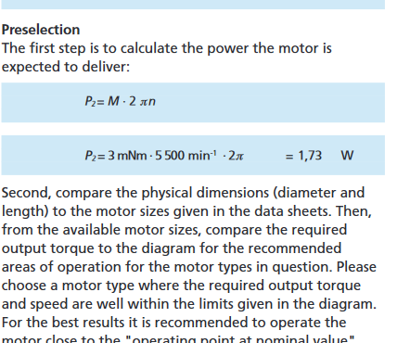
TIPO |  | N° | COMPONENTES | Model number | SIZE [mm] | Mass [g] | Accuracy [deg] | CUSTOM | CAD | PORT | Estimated Cost [€] | SIGNAL | Power [mW] | Input Voltage [V] | Temperature Range [°C] | HERITAGE | REFERENCE | REF. COMPRA | Notes |  | [1] | https://grabcad.com/library/mpu6050-1
SENSORES | IR EARTH HORIZON SENSOR | 3 | THERMOPILE | TPD1T0214 | 9.3 x 17.4 | 1 | 5 | NO | NO | N/A | 13.27 | ANALOG |  |  | -40 - +100 | MicroMAS |  | [4] |  |  | [2] | https://digitalcommons.usu.edu/cgi/viewcontent.cgi?article=4152&context=smallsat
 |  | 1 | PCB | N/A | 10x10 | 2.5 | N/A | YES | NO | I2C | N/A | ANALOG |  | 3 - 5 | -30 - 85
 | IMU | 1 | MPU6050 | MPU6050 GY-521 | 25.5x15.2x2.48 | 15 |  | NO | [1] | I2C | 4.95 | ANALOG | 0.48 | 2.3 – 3.4 | -40 - +85 |  |  |  |  |  | [3]
ACTUADORES | Reaction Wheels | 3 | BSC Motor | Faulhaber 1202 004 BH | 20x2 | 6 |  | NO | NO | I2C | 90 | DIGITAL | 150 | 3.3 - 6 | -30 - 85 | Delfi-n3Xt |  |  |  |  | [4] | https://www.reichelt.com/de/en/thermopile-detector-tpd-1t-0214-tpd-1t-0214-p47516.html?r=1
 |  | 3 | ESC PCB | N/A | 13.4x13.4x4.5 | 2.242 |  | NO | NO | I2C | N/A | DIGITAL | 25 | 3 - 5 | -30 - 85 |  |  |  |  |  | [6]
 |  | 3 | Wheel | N/A | 20x2 | 10 |  | YES | NO | N/A | N/A | N/A | 0 | N/A | N/A |  |  |  |  |  | [7]
 | MAGNETORQUER | 2 | PRINTED MAGETORQUER | N/A | 90x90 | 2 |  | YES | N/A | I2C | N/A | DIGITAL | 80 | 2 - 7 | -40 - 75 | iCube, AraMiS | [2] | N/A |  |  | [8]
 |  |  |  |  |  |  |  |  |  |  |  |  |  |  |  |  |  |  |  |  | [10]
 |  |  |  |  | TOTAL |  |  |  |  |  | Available Power |  | 450 | mW |  |  |  |  |  |  | [11]
 |  |  |  |  | Mass | 79.2267665 | g |  |  |  | Used Power |  | 685.48 | mW |  |  |  |  |  |  | [12]
 |  |  |  |  | Price | 314.76 | € |  |  |  | Remaining Power |  | -235.48 | mW |  |  |  |  |  |  | [13]
 |  |  |  |  | Temp. Range |  | °C |  |  |  |  |  |  |  |  |  |  |  |  |  | [14]
 |  |  |  |  |  |  |  |  |  |  |  |  |  |  |  |  |  |  |  |  | [15]
 |  |  |  |  |  |  |  |  |  |  |  |  |  |  |  |  |  |  |  |  | [16]

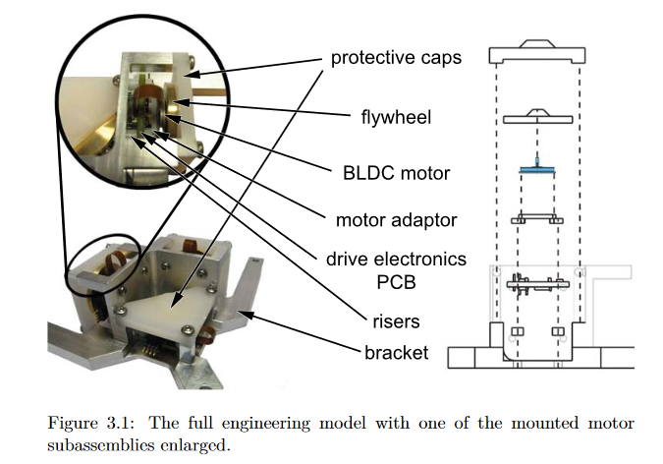
 |  |  |  |  |  |  |  |  |  |  |  |  |  |  |  |  | MOTORES:
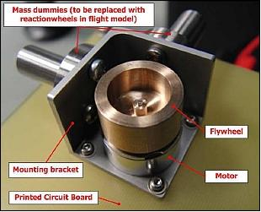

 |  |  |  |  |  |  |  |  |  |  |  |  |  |  |  |  | Dimensionar potencia motores: |  |  | https://www.faulhaber.com/fileadmin/Import/Media/EN_TECHNICAL_INFORMATION.pdf

